Summary
Banking Highlights
3

Market Share
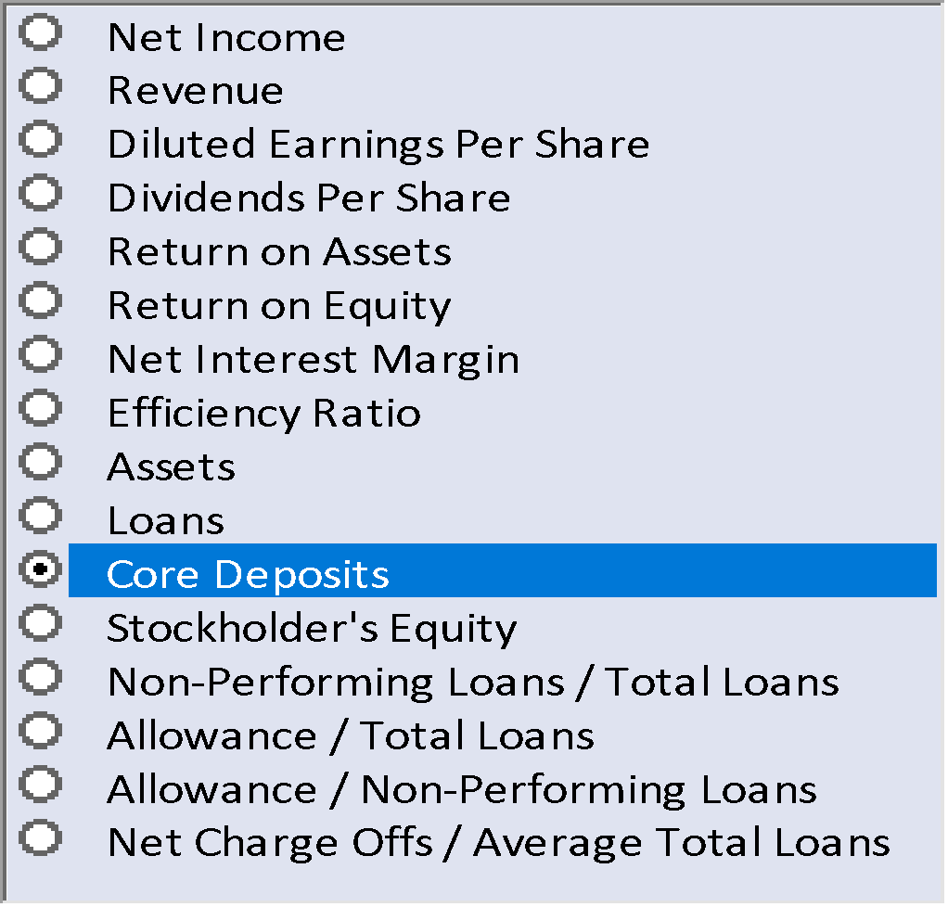
 | New Hires | Termination
 |  | Financial Measure | FY 14 | FY 15 | FY 16 | FY 17 | FY 18 | FY 19 | Hires and Terminations
 |  | Net Income | $3,818 | $4,464 | $4,794 | $5,225 | $5,376 | $4,794
Home Loans | 18% | Revenue | $15,875 | $16,590 | $18,319 | $19,007 | $24,008 | $18,319
Credit Cards | 22% | Diluted Earnings Per Share | 2.4 | 2.4 | 2.5 | 3.2 | 4.5 | 5.6
Houshold Lending | 6% | Dividends Per Share | 0.9 | 1.0 | 0.7 | 0.8 | 0.9 | 1.0
Other Bank Income | 1% | Return on Assets | 1.60% | 1.50% | 3.50% | 3.60% | 4.25% | 5.06%
Retail Deposits | 4% | Return on Equity | 25.80% | 24.70% | 28.60% | 29.60% | 31.75% | 26.69%
Business Lending | 12% | Net Interest Margin | 7.30% | 7.30% | 9.40% | 9.70% | 9.88% | 10.00%
Asset Finance | 15% | Efficiency Ratio | 1.8 | 1.9 | 1.9 | 1.9 | 2.1 | 2.4
Equities Trading | 14% | Assets | $240,000 | $200,000 | $295,000 | $340,000 | $387,500 | $484,375
FX Trading | 8% | Loans | $129,450 | $169,383 | $176,450 | $160,492 | $200,615 | $250,769
Act
Bud
Fct
 |  | Core Deposits | $154,466 | $137,450 | $164,575 | $152,959 | $147,959 | $153,562
FTEs
 |  | Stockholder's Equity | $15,770 | $16,350 | $16,935 | $17,450 | $17,950 | $18,450
 |  | Non-Performing Loans / Total Loans | 0.50% | 0.40% | 2.20% | 2.30% | 2.70% | 2.50%
 |  | Allowance / Total Loans | 2.00% | 2.00% | 4.10% | 4.20% | 3.90% | 3.90%
 |  | Allowance / Non-Performing Loans | 2.55% | 2.65% | 4.70% | 4.90% | 4.90% | 4.60%
 |  | Net Charge Offs / Average Total Loans | 0.60% | 0.60% | 2.50% | 2.40% | 2.30% | 2.60%

Prior Yr
Forecast
Current Yr
 |  | Customer Satisfaction |  |  | Core Deposits Trend |  |  |  |  | Absence CY v PY
 | CY | PY
Monthly Highlights
 |  | Plan

Interest Income | 87
Funds Mgt Income | 174
Insurance Income | 131
Other Bank Income | 44
Net Income | 435
Operational Expenses | 218
Loan Imparement Expenses | 54
Net Expenses | 272
CY
PY
Net Profit | 163

Model Check | Model OK

